Sheet1
Rank (Mana Cost) | Clubs (Legionary) | Diamonds (Samurai) | Hearts (Knight) | Spades (Viking) | Royals (Monk) |  | Rank | Rarity
Ace (Upgrade) | Atk: +3 Def: +2 | Atk: +1 Def: +4 | Atk: +2 Def: +3 | Atk: +4 Def: +1 | Atk: +3 Def: +3 | 2022-05-06
2 (1) | Atk: 6 Def: 4 | Atk: 2 Def: 8 | Atk: 4 Def: 6 | Atk: 8 Def: 2 | Atk: 5 Def: 5 | 10 | Novice | Poor
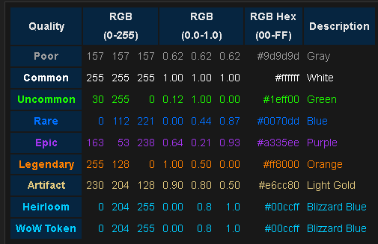
3 (2) | Atk: 9 Def: 6 | Atk: 3 Def: 12 | Atk: 6 Def: 9 | Atk: 12 Def: 3 | Atk: 8 Def: 8 | 15/16
4 (3) | Atk: 12 Def: 8 | Atk: 4 Def: 16 | Atk: 8 Def: 12 | Atk: 16 Def: 4 | Atk: 10 Def: 10 | 20
5 (3) | Atk: 15 Def: 10 | Atk: 5 Def: 20 | Atk: 10 Def: 15 | Atk: 20 Def: 5 | Atk: 13 Def: 13 | 25/26 | Adept | Common
6 (4) | Atk: 18 Def: 12 | Atk: 6 Def: 24 | Atk: 12 Def: 18 | Atk: 24 Def: 6 | Atk: 15 Def: 15 | 30
7 (5) | Atk: 21 Def: 14 | Atk: 7 Def: 28 | Atk: 14 Def: 21 | Atk: 28 Def: 7 | Atk: 18 Def: 18 | 35/36
8 (6) | Atk: 24 Def: 16 | Atk: 8 Def: 32 | Atk: 16 Def: 24 | Atk: 32 Def: 8 | Atk: 20 Def: 20 | 40 | Master | Un-common
9 (6) | Atk: 27 Def: 18 | Atk: 9 Def: 36 | Atk: 18 Def: 27 | Atk: 36 Def: 9 | Atk: 23 Def: 23 | 45/46
10 (7) | Atk: 30 Def: 20 | Atk: 10 Def: 40 | Atk: 20 Def: 30 | Atk: 40 Def: 10 | Atk: 25 Def: 25 | 50
J (8) | Atk: 33 Def: 22 | Atk: 11 Def: 44 | Atk: 22 Def: 33 | Atk: 44 Def: 11 | Atk: 28 Def: 28 | 55/56 | Grandmaster | Rare
Q (9) | Atk: 36 Def: 24 | Atk: 12 Def: 48 | Atk: 24 Def: 36 | Atk: 48 Def: 12 | Atk: 30 Def: 30 | 60 | Legendary | Epic
K (10) | Atk: 39 Def: 26 | Atk: 13 Def: 52 | Atk: 26 Def: 39 | Atk: 52 Def: 13 | Atk: 33 Def: 33 | 65/66 | Transcendent | Legendary
God | Atk: 78 Def: 52 | Atk: 26 Def: 104 | Atk: 52 Def: 78 | Atk: 104 Def: 26 | Atk: 65 Def: 65 | 130 | Omnipotent | Mythic
 | https://www.1001fonts.com/roman-uncial-modern-font.html | https://www.1001fonts.com/japan-day-font.html | https://www.1001fonts.com/lohengrin-font.html | https://www.1001fonts.com/viking-font.html | https://www.1001fonts.com/shufen-font.html | 35
Abilities (scrapped) | Royal Inspiration Boost when with King (Dmg +3)/Queen (Hp +3)
 | Divine Inspiration Boost when with Diety (Dmg +6, Hp +6) |  |  |  |  |  |  |  | dmg types:clubs stun, spades bleed, hearts 50% resist stun, diamond 50% resits bleed, royal 25% resist to stun/bleed, god 50% resist to stun/bleed
 | Base Synergy (All cards of same type +1 dmg/hp) |  |  |  |  |  |  |  | stun calc (atkDmg/defHp) - % if applicable round to nearest whole number
 | Peak Synergy (All cards of same number +2 dmg/hp) |  |  |  |  |  |  |  | bleed calc ((atkDmg/defHp) * 10) / 3 - % if applicable round to nearest whole number
 | If Jack, queen, and king are in play of the same suit you can summon that suits Dieity card

Title | https://www.1001fonts.com/cardinal-font.html | .
Text | https://fonts.google.com/specimen/Montserrat?category=Serif,Sans+Serif&sort=popularity&preview.text=I%20dont%20know%20menu%20main%20menu%20options%20osmething%20like%20that&preview.text_type=custom | .

